records
Sample Measurement Record
Mano Engineering LLC |  |  |  |  |  |  |  |  |  |  |  | Part No. 03411
No. | A | B | C | D | E | F | G | H | I | J | K
1 | 4.936 | 1.0305 | 0.309 | 4.638 | 0.076 | 0.166 | 0.8705 | 0.722 | 42.902 | 0.083 | 0.013
2 | 4.9345 | 1.0285 | 0.31 | 4.631 | 0.087 | 0.169 | 0.871 | 0.723 | 44.875 | 0.076 | 0.0285
3 | 4.93 | 1.0305 | 0.313 | 4.6305 | 0.089 | 0.167 | 0.873 | 0.711 | 43.462 | 0.084 | 0.012
4 | 4.9320 | 1.0280 | 0.303 | 4.636 | 0.0785 | 0.17 | 0.874 | 0.733 | 45.147 | 0.08 | 0.013
5 | 4.9355 | 1.0310 | 0.3 | 4.631 | 0.0815 | 0.167 | 0.871 | 0.725 | 44.83 | 0.076 | 0.0165

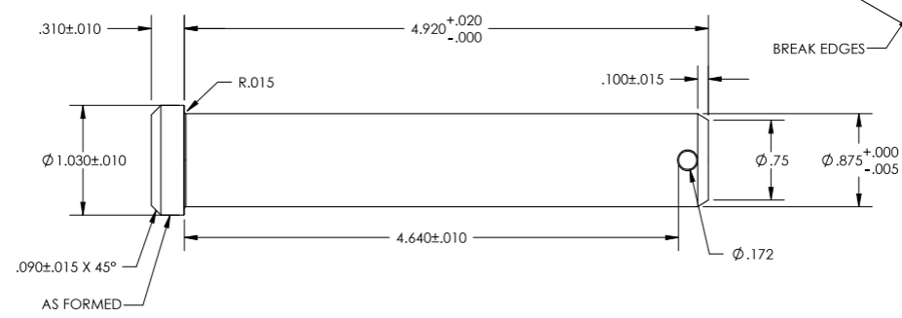
C
A
K
E

B
H
G

I
J
F
D

